2. EigenValue
Spree Plot
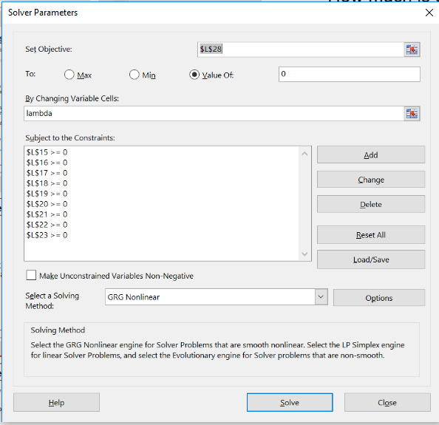
Doing PCA of correlation matrix
Matrix A
 | x1 | x2 | x3 | x4 | x5 | x6 | x7 | x8 | x9
x1 | 1.000 | 0.368 | 0.199 | 0.160 | 0.056 | 0.166 | 0.181 | 0.046 | -0.100
x2 | 0.368 | 1.000 | 0.424 | 0.106 | 0.175 | 0.379 | 0.388 | 0.251 | 0.246
x3 | 0.199 | 0.424 | 1.000 | 0.313 | 0.431 | 0.769 | 0.347 | 0.462 | 0.074
x4 | 0.160 | 0.106 | 0.313 | 1.000 | 0.077 | 0.328 | 0.343 | 0.262 | 0.240
x5 | 0.056 | 0.175 | 0.431 | 0.077 | 1.000 | 0.297 | 0.066 | 0.316 | 0.114
x6 | 0.166 | 0.379 | 0.769 | 0.328 | 0.297 | 1.000 | 0.299 | 0.330 | 0.046
x7 | 0.181 | 0.388 | 0.347 | 0.343 | 0.066 | 0.299 | 1.000 | 0.362 | 0.151
x8 | 0.046 | 0.251 | 0.462 | 0.262 | 0.316 | 0.330 | 0.362 | 1.000 | 0.049
x9 | -0.10 | 0.246 | 0.074 | 0.240 | 0.114 | 0.046 | 0.151 | 0.049 | 1.000

Identify Matrix |  |  |  |  |  |  |  |  |  | Lambda | Scaled loadings | Rank | % Contribution | Kaiser | 1.05
 | 1 | 0 | 0 | 0 | 0 | 0 | 0 | 0 | 0 | 0.491 | 2.74 | 1 | 30.4% | 1 | 1 | 2.74
 | 0 | 1 | 0 | 0 | 0 | 0 | 0 | 0 | 0 | 0.021 | 0.12 | 8 | 1.3% | 0 | 2 | 1.91
 | 0 | 0 | 1 | 0 | 0 | 0 | 0 | 0 | 0 | 0.000 | 0.00 | 9 | 0.0% | 0 | 3 | 1.69
 | 0 | 0 | 0 | 1 | 0 | 0 | 0 | 0 | 0 | 0.183 | 1.02 | 5 | 11.3% | 0 | 4 | 1.22
 | 0 | 0 | 0 | 0 | 1 | 0 | 0 | 0 | 0 | 0.303 | 1.69 | 3 | 18.7% | 1
 | 0 | 0 | 0 | 0 | 0 | 1 | 0 | 0 | 0 | 0.344 | 1.91 | 2 | 21.3% | 1
 | 0 | 0 | 0 | 0 | 0 | 0 | 1 | 0 | 0 | 0.219 | 1.22 | 4 | 13.6% | 1
 | 0 | 0 | 0 | 0 | 0 | 0 | 0 | 1 | 0 | 0.028 | 0.15 | 6 | 1.7% | 0
 | 0 | 0 | 0 | 0 | 0 | 0 | 0 | 0 | 1 | 0.028 | 0.15 | 6 | 1.7% | 0
 |  |  |  |  |  |  |  |  |  | 1.615 | 9.00

A-λI | x1 | x2 | x3 | x4 | x5 | x6 | x7 | x8 | x9
x1 | 0.51 | 0.35 | 0.20 | -0.02 | -0.25 | -0.18 | -0.04 | 0.02 | -0.13 | Determinant |  | % variance explained |  | no of factors selected
x2 | -0.12 | 0.98 | 0.42 | -0.08 | -0.13 | 0.04 | 0.17 | 0.22 | 0.22 | 0.000000 |  | 84.0% |  | 4
x3 | -0.29 | 0.40 | 1.00 | 0.13 | 0.13 | 0.43 | 0.13 | 0.43 | 0.05
x4 | -0.33 | 0.09 | 0.31 | 0.82 | -0.23 | -0.02 | 0.12 | 0.23 | 0.21
x5 | -0.44 | 0.15 | 0.43 | -0.11 | 0.70 | -0.05 | -0.15 | 0.29 | 0.09
x6 | -0.33 | 0.36 | 0.77 | 0.15 | -0.01 | 0.66 | 0.08 | 0.30 | 0.02
x7 | -0.31 | 0.37 | 0.35 | 0.16 | -0.24 | -0.04 | 0.78 | 0.33 | 0.12
x8 | -0.44 | 0.23 | 0.46 | 0.08 | 0.01 | -0.01 | 0.14 | 0.97 | 0.02
x9 | -0.59 | 0.22 | 0.07 | 0.06 | -0.19 | -0.30 | -0.07 | 0.02 | 0.97

 | 0.51 | 0.35 | 0.20 | -0.02 | -0.25 | -0.18 | -0.04 | 0.02 | -0.13
 | -0.12 | 0.98 | 0.42 | -0.08 | -0.13 | 0.04 | 0.17 | 0.22 | 0.22
 | -0.29 | 0.40 | 1.00 | 0.13 | 0.13 | 0.43 | 0.13 | 0.43 | 0.05
 | -0.33 | 0.09 | 0.31 | 0.82 | -0.23 | -0.02 | 0.12 | 0.23 | 0.21
 | -0.44 | 0.15 | 0.43 | -0.11 | 0.70 | -0.05 | -0.15 | 0.29 | 0.09
 | -0.33 | 0.36 | 0.77 | 0.15 | -0.01 | 0.66 | 0.08 | 0.30 | 0.02
 | -0.31 | 0.37 | 0.35 | 0.16 | -0.24 | -0.04 | 0.78 | 0.33 | 0.12
 | -0.44 | 0.23 | 0.46 | 0.08 | 0.01 | -0.01 | 0.14 | 0.97 | 0.02
 | -0.59 | 0.22 | 0.07 | 0.06 | -0.19 | -0.30 | -0.07 | 0.02 | 0.97

